Describe Azure storage accounts
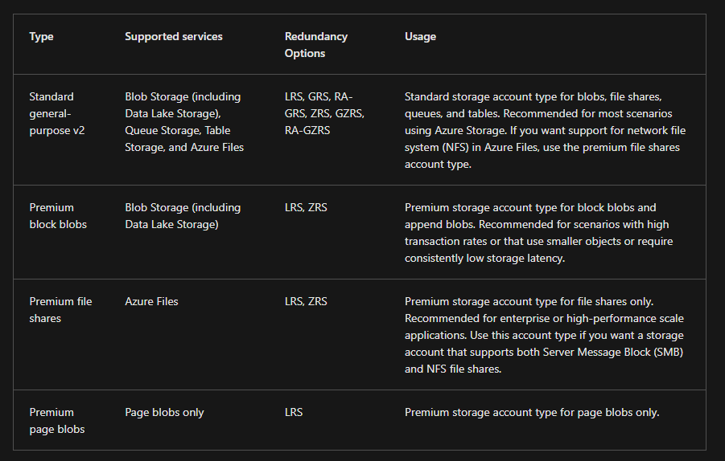
Core storage
 | Azure Blob Storage
 |  | object storage
 |  | store unstructured data such as text or binary data.

 |  | is ideal for serving images or documents directly to a browser,
 |  | storing data for archives or distributed access,
 |  | streaming video and audio,
 |  | and disaster recovery scenarios.

 | Azure File Storage
 |  | file shares in the cloud
 |  | just like connecting to shares on your local network.

 | Azure Disk Storage
 |  | provides disks for virtual machines and applications to access and use as they need

 | Azure Table Storage
 |  | NoSQL data store for key value pairs

 | Azure Queue Storage
 |  | provides asynchronous message queuing for communication between application components

There are three Azure storage tiers that you can use to balance your costs:
 | hot | accessed frequently
 |  | such as images for your website.

 | cold | infrequently accessed
 |  | stored for at least 30 days
 |  | such as customer invoices.

 | archive | rarely accessed
 |  | stored for at least 180 days
 |  | such as long-term backups

Azure storage redundancy
Azure Storage always stores multiple copies of your data so that it's protected from planned and unplanned events

Redundancy in the primary region
 | Locally redundant storage
 |  | eplicates your data three times within a single data center in the primary region
 |  | lowest-cost redundancy option

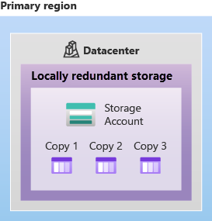
 |  |  | 11 nines of durability (99.999999999%)

 | Zone-redundant storage
 |  | replicates your Azure Storage data synchronously across three Azure availability zones in the primary region
 |  | replicates your Azure Storage data synchronously across three Azure availability zones in the primary region

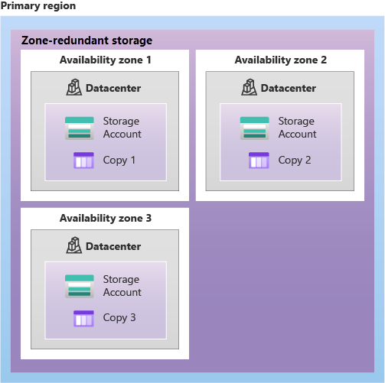
 |  |  |  | 12 nines (99.9999999999%)

Redundancy in a secondary region
 | When you create a storage account, you select the primary region for the account.
 | The paired secondary region is based on Azure Region Pairs, and can't be changed.

 | By default, data in the secondary region isn't available for read or write access unless there's a failover to the secondary region.
 | If the primary region becomes unavailable, you can choose to fail over to the secondary region.
 | After the failover has completed, the secondary region becomes the primary region, and you can again read and write data.

 | recovery point objective (RPO)

 | Geo-redundant storage
 |  | GRS copies your data synchronously three times within a single physical location in the primary region using LRS
 |  | It then copies your data asynchronously to a single physical location in the secondary region (the region pair) using LRS
 |  | 16 nines (99.99999999999999%)

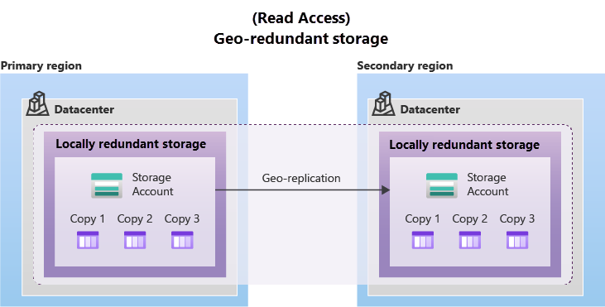

 | Geo-zone-redundant storage
 |  | is copied across three Azure availability zones in the primary region (similar to ZRS) and is also replicated to a secondary geographic region, using LRS

 |  | 16 nines (99.99999999999999%)

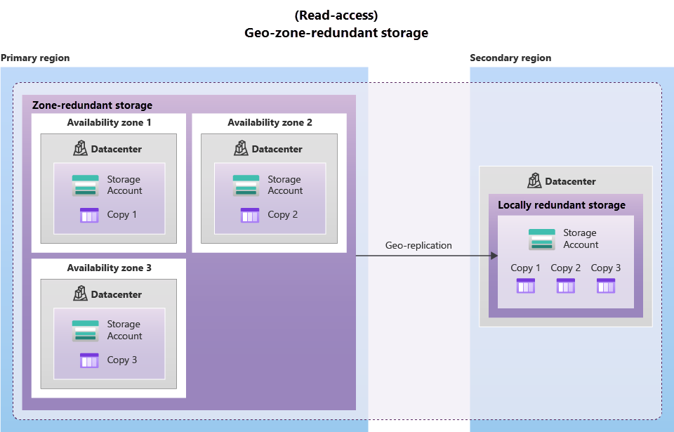

 | Read access to data in the secondary region

Azure storage services
Benefits of Azure Storage
 | Durable and highly available
 |  | Redundancy ensures that your data is safe if transient hardware failures occur.
 | Secure
 |  | All data written to an Azure storage account is encrypted by the service
 | Scalable
 |  | scalable to meet the data storage and performance needs
 | Managed
 |  | Azure handles hardware maintenance, updates, and critical issues for you.
 | Accessible
 |  | Data in Azure Storage is accessible from anywhere in the world over HTTP or HTTPS

Azure Blobs
 | object storage
 | store massive amounts of data, such as text or binary data
 | unstructured, meaning that there are no restrictions on the kinds of data it can hold
 | can manage thousands of simultaneous uploads, massive amounts of video data, constantly growing log files, and can be reached from anywhere with an internet connection

 | aren't limited to common file formats
 | doesn't require developers to think about or manage disks.
 | Data is uploaded as blobs, and Azure takes care of the physical storage needs.

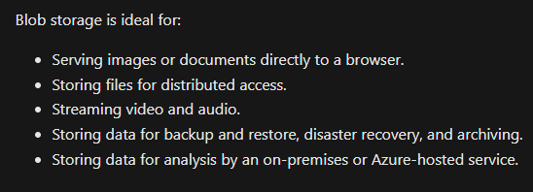

 | Accessing blob storage
 |  | Objects in blob storage can be accessed from anywhere in the world via HTTP or HTTPS
 |  | Users or client applications can access blobs via URLs, the Azure Storage REST API, Azure PowerShell, Azure CLI, or an Azure Storage client library.
 |  | The storage client libraries are available for multiple languages, including .NET, Java, Node.js, Python, PHP, and Ruby.

 | Blob storage tiers
 |  | hot | accessed frequently
 |  | cool | infrequently accessed
 |  |  | at least 30 days (for example, invoices for your customers).
 |  | cold | infrequently accessed
 |  |  | stored for at least 90 days.
 |  | archive | rarely accessed
 |  |  | at least 180 days (for example, long-term backups).

Azure Files
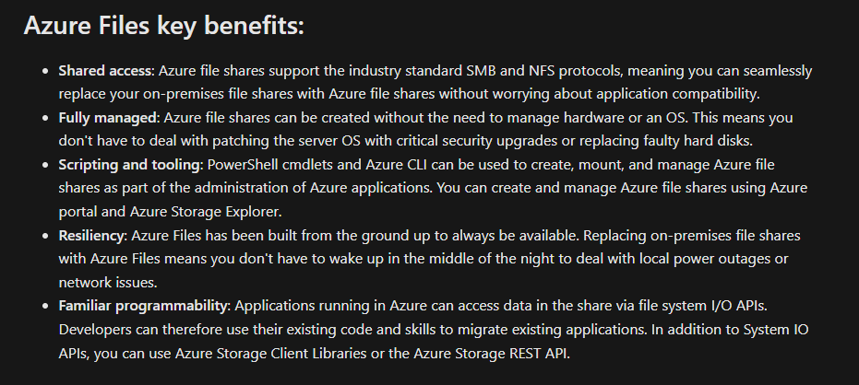

Azure Queues
 | storing large numbers of messages
 | Once stored, you can access the messages from anywhere in the world via authenticated calls using HTTP or HTTPS
 | Each individual message can be up to 64 KB in size

Azure Disks
 | block-level storage volumes
 | managed by Azure for use with Azure VMs.

Azure Tables
 | structured data, non-relational data.
 | NoSQL datastore

 | This enables you to use Azure tables to build your hybrid or multi-cloud solution and have your data always available

